Sheet1
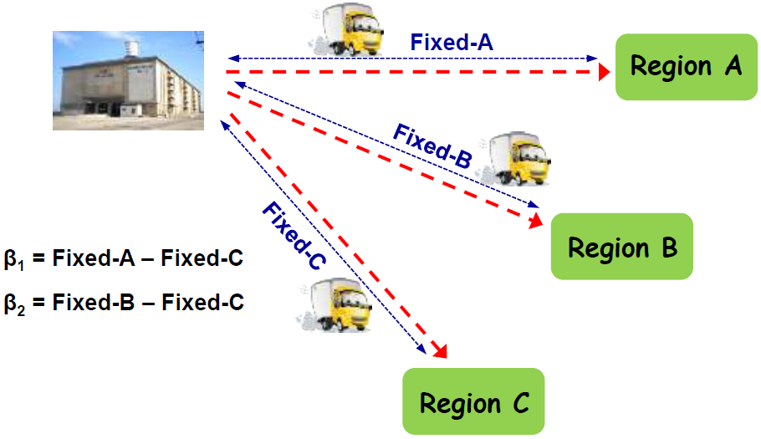
Trip | Region | RegA | RegB | Parcels | TruckAge | Minutes
1 | B | 0 | 1 | 46 | 11 | 461.9
2 | B | 0 | 1 | 32 | 1 | 273.1
3 | C | 0 | 0 | 42 | 14 | 489.4 | SUMMARY OUTPUT
4 | B | 0 | 1 | 30 | 13 | 303.0
5 | B | 0 | 1 | 36 | 15 | 367.7 | Regression Statistics
6 | C | 0 | 0 | 45 | 5 | 415.2 | Multiple R | 0.9754
7 | C | 0 | 0 | 28 | 4 | 254.2 | R Square | 0.9513
8 | C | 0 | 0 | 26 | 15 | 259.0 | Adjusted R Square | 0.9467
9 | C | 0 | 0 | 48 | 8 | 471.7 | Standard Error | 22.2968
10 | C | 0 | 0 | 36 | 11 | 367.7 | Observations | 47.0000
11 | A | 1 | 0 | 24 | 11 | 347.0
12 | C | 0 | 0 | 35 | 5 | 381.9 | ANOVA
13 | B | 0 | 1 | 40 | 7 | 388.0 |  | df | SS | MS | F | Significance F
14 | C | 0 | 0 | 20 | 13 | 228.0 | Regression | 4.0000 | 408133.9645 | 102033.4911 | 205.2374 | 0.0000
15 | C | 0 | 0 | 29 | 14 | 296.9 | Residual | 42.0000 | 20880.2460 | 497.1487
16 | B | 0 | 1 | 48 | 10 | 474.4 | Total | 46.0000 | 429014.2105
17 | B | 0 | 1 | 34 | 9 | 330.3
18 | A | 1 | 0 | 34 | 9 | 447.9 |  | Coefficients | Standard Error | t Stat | P-value | Lower 95% | Upper 95% | Lower 95.0% | Upper 95.0%
19 | C | 0 | 0 | 34 | 6 | 322.9 | Intercept | -34.7569 | 17.8592 | -1.9462 | 0.0583 | -70.7983 | 1.2844 | -70.7983 | 1.2844
20 | C | 0 | 0 | 24 | 6 | 227.1 | RegA | 107.7127 | 8.0789 | 13.3325 | 0.0000 | 91.4087 | 124.0167 | 91.4087 | 124.0167
21 | A | 1 | 0 | 38 | 6 | 488.9 | RegB | 1.2142 | 7.7708 | 0.1563 | 0.8766 | -14.4679 | 16.8963 | -14.4679 | 16.8963
22 | B | 0 | 1 | 42 | 2 | 380.6 | Parcels | 9.9249 | 0.4016 | 24.7157 | 0.0000 | 9.1145 | 10.7353 | 9.1145 | 10.7353
23 | A | 1 | 0 | 46 | 1 | 517.9 | TruckAge | 3.6838 | 0.7593 | 4.8515 | 0.0000 | 2.1515 | 5.2162 | 2.1515 | 5.2162
24 | C | 0 | 0 | 38 | 1 | 333.5
25 | A | 1 | 0 | 32 | 9 | 434.0 | RegB and Intercept have no significance in Minutes because the p-value s of both grather than alpha.
26 | B | 0 | 1 | 44 | 7 | 419.0
27 | B | 0 | 1 | 42 | 3 | 489.4 | Time to deliver 25 parcels, using a truck 10 years old.
28 | A | 1 | 0 | 26 | 14 | 381.4
29 | A | 1 | 0 | 30 | 7 | 415.1 | Region A: | 357.9171
30 | A | 1 | 0 | 36 | 8 | 464.4 | Region B: | 251.4187
31 | A | 1 | 0 | 28 | 15 | 413.5 | Region C: | 250.2045
32 | B | 0 | 1 | 24 | 6 | 228.6
33 | A | 1 | 0 | 40 | 4 | 486.2
34 | B | 0 | 1 | 38 | 1 | 333.5
35 | B | 0 | 1 | 22 | 3 | 196.1
36 | B | 0 | 1 | 28 | 5 | 264.1
37 | C | 0 | 0 | 42 | 3 | 380.6
38 | B | 0 | 1 | 20 | 15 | 216.7
39 | A | 1 | 0 | 48 | 2 | 546.3
40 | C | 0 | 0 | 22 | 4 | 204.1
41 | C | 0 | 0 | 32 | 2 | 265.4
42 | B | 0 | 1 | 26 | 14 | 264.9
43 | C | 0 | 0 | 44 | 4 | 419.0
44 | A | 1 | 0 | 22 | 12 | 321.3
45 | C | 0 | 0 | 51 | 9 | 464.6
46 | A | 1 | 0 | 44 | 1 | 506.6
47 | A | 1 | 0 | 20 | 15 | 315.7

